1. Title Page
Grocery Basket Cart Analysis

Project Name: Grocery Basket Cart Analysis
Date: 19 August 2024
Analyst Name: Noortje Offreins

Contents:
Population Flow
Consistency checks
Wrangling steps
Column derivations
Visualizations
Recommendations

2. Population Flow
 | Title page

Population flow

Exclusion flag
Condition: order_frequency is less than 5 orders
Obervations to be removed: 4.592.930
Final total count of order_products_all: 27.811.929

Orders_products_combined
Orders_products_merged
Orders_products_all

Total: 32.404.859
Total: 32.434.889
Total: 32.404.859
.

1.) The grey boxes in the first row of the population flow represent the original data sets as they were when you downloaded them. In the Total fields you need to add the count of the rows when you imported the data set into Jupyter.
2.) The second row of boxes (coloured) represents the data sets after you manipulated them, e.g., removed missing values and duplicates. In the Total fields you need to add the count of the rows after conducting these operations. This offers a visual oveview of how the data flows throughout the data consistency checks.
3.) The third row, where also the arrows are coloured, represents the merges you performed between the datasets. In the Total fields you need to add the count of the rows in the merged datasets, so that you end up with the final dataset (in the red box). Keep in mind the final dataset should be without exclusions (based on the exclusion flag).

3. Consistency checks
 |  |  |  |  |  |  | Title page
Consistency checks

Dataset | Missing values | Missing values treatment | Duplicates
products.csv | Missing Product Name: 16 records | Drop | Full duplicates: 5 records
orders.csv | days_since_last_order: 206209 records | Create flag for First_order | 0
orders_products_prior
customers | 11259 first names are missing | dropped rows | 0

CROSSTAB
days_since_last_order | 1 | 2 | 3 | 4 | 5 | 6 | 7 | 8 | 9 | 10 | 11 | 12 | 13 | 14 | 15 | 16 | 17 | 18 | 19 | 20 | 21 | 22 | 23 | 24 | 25 | 26 | 27 | 28 | 29 | 30 | 31 | 32 | 33 | 34 | 35 | 36 | 37 | 38 | 39 | 40 | 41 | 42 | 43 | 44 | 45 | 46 | 47 | 48 | 49 | 50 | 51 | 52 | 53 | 54 | 55 | 56 | 57 | 58 | 59 | 60 | 61 | 62 | 63 | 64 | 65 | 66 | 67 | 68 | 69 | 70 | 71 | 72 | 73 | 74 | 75 | 76 | 77 | 78 | 79 | 80 | 81 | 82 | 83 | 84 | 85 | 86 | 87 | 88 | 89 | 90 | 91 | 92 | 93 | 94 | 95 | 96 | 97 | 98 | 99
0 | 0 | 14367 | 15517 | 13961 | 12818 | 12320 | 11141 | 10674 | 9381 | 8553 | 8745 | 7182 | 6688 | 6257 | 5883 | 5899 | 5459 | 5186 | 4592 | 4512 | 4416 | 4038 | 3889 | 3982 | 3699 | 3511 | 3616 | 3276 | 2906 | 3316 | 2875 | 3065 | 2682 | 2708 | 2353 | 2393 | 2186 | 2047 | 1889 | 2000 | 2089 | 2028 | 1767 | 1625 | 1451 | 1620 | 1247 | 989 | 1342 | 898 | 807 | 963 | 918 | 813 | 853 | 826 | 660 | 556 | 683 | 534 | 399 | 457 | 316 | 322 | 308 | 427 | 325 | 210 | 237 | 196 | 186 | 165 | 146 | 149 | 82 | 81 | 35 | 99 | 9 | 28 | 23 | 31 | 27 | 15 | 14 | 36 | 10 | 0 | 16 | 20 | 0 | 7 | 0 | 17 | 6 | 0 | 14 | 7 | 6
1 | 0 | 20158 | 19146 | 18309 | 17843 | 16521 | 15986 | 14553 | 13577 | 13060 | 12781 | 11436 | 11398 | 10817 | 10718 | 10232 | 9468 | 8907 | 8177 | 8229 | 7918 | 7334 | 7151 | 6503 | 6512 | 6426 | 6701 | 5638 | 6381 | 5628 | 5309 | 5497 | 5056 | 4720 | 4020 | 3861 | 4081 | 3941 | 3936 | 3759 | 3148 | 3412 | 3064 | 3078 | 2842 | 3071 | 2750 | 3058 | 2682 | 1944 | 2128 | 2045 | 1761 | 1873 | 1460 | 1269 | 1433 | 1259 | 1121 | 984 | 935 | 986 | 713 | 749 | 695 | 546 | 586 | 546 | 524 | 532 | 424 | 438 | 305 | 148 | 289 | 224 | 249 | 113 | 156 | 161 | 72 | 57 | 35 | 107 | 52 | 62 | 52 | 37 | 22 | 11 | 16 | 37 | 6 | 61 | 7 | 22 | 1 | 16 | 0
2 | 0 | 29629 | 29832 | 28720 | 26813 | 26945 | 24471 | 24556 | 22726 | 21269 | 21200 | 19761 | 19070 | 18313 | 17529 | 16815 | 15566 | 15239 | 14687 | 13310 | 13630 | 13007 | 12901 | 11952 | 11587 | 11154 | 10753 | 9904 | 9481 | 9559 | 9417 | 9028 | 8300 | 8857 | 7547 | 7316 | 7783 | 7071 | 6924 | 6330 | 6206 | 6063 | 5771 | 5030 | 5241 | 5125 | 4813 | 5265 | 4564 | 3946 | 4030 | 3369 | 3268 | 3432 | 3112 | 2700 | 2688 | 2244 | 2137 | 2060 | 1952 | 1612 | 1712 | 1455 | 1168 | 1110 | 1043 | 692 | 875 | 680 | 765 | 476 | 568 | 522 | 327 | 402 | 205 | 181 | 140 | 150 | 125 | 151 | 53 | 93 | 21 | 34 | 37 | 57 | 7 | 22 | 19 | 26 | 0 | 17 | 5 | 9 | 8 | 11 | 6
3 | 0 | 42713 | 43426 | 41522 | 40912 | 40005 | 37656 | 35140 | 34131 | 33571 | 31274 | 29770 | 28910 | 27630 | 25918 | 25580 | 23700 | 22963 | 22076 | 21384 | 20453 | 20106 | 19314 | 18406 | 18274 | 16954 | 15975 | 16759 | 15441 | 13902 | 14123 | 14035 | 13416 | 12508 | 12325 | 11345 | 11132 | 11328 | 10139 | 11128 | 9666 | 8879 | 8600 | 8759 | 7551 | 7868 | 7120 | 7118 | 6405 | 6528 | 5634 | 5284 | 4995 | 4621 | 4077 | 3863 | 3668 | 3214 | 3266 | 2661 | 2686 | 2636 | 2215 | 2012 | 1714 | 1597 | 1304 | 1383 | 1382 | 850 | 674 | 799 | 553 | 603 | 520 | 475 | 371 | 241 | 270 | 266 | 155 | 87 | 167 | 22 | 127 | 27 | 30 | 18 | 0 | 22 | 0 | 0 | 32 | 0 | 31 | 10 | 0 | 14 | 0
4 | 0 | 57372 | 58105 | 56407 | 54582 | 52205 | 48215 | 47780 | 46200 | 44251 | 42587 | 40603 | 37001 | 35651 | 34695 | 33364 | 32147 | 30722 | 29113 | 27497 | 26893 | 27040 | 25896 | 24225 | 24871 | 22580 | 21973 | 20829 | 19663 | 18337 | 18069 | 17364 | 16437 | 16524 | 15846 | 15306 | 14497 | 13531 | 12922 | 11982 | 12176 | 11661 | 11009 | 10900 | 10833 | 9497 | 8998 | 8668 | 8355 | 7570 | 7087 | 6511 | 6386 | 5373 | 5333 | 5441 | 4575 | 4392 | 3782 | 3448 | 3180 | 3218 | 2470 | 2406 | 2242 | 1784 | 1784 | 1219 | 1260 | 1144 | 1124 | 835 | 669 | 498 | 467 | 421 | 450 | 301 | 251 | 128 | 162 | 137 | 82 | 63 | 30 | 24 | 36 | 11 | 87 | 0 | 10 | 48 | 5 | 14 | 0 | 0 | 0 | 0 | 7
5 | 0 | 80516 | 82582 | 77921 | 73168 | 68743 | 65346 | 61935 | 57191 | 55778 | 52107 | 48291 | 46580 | 45913 | 42846 | 39804 | 40359 | 38045 | 36225 | 34473 | 34141 | 31798 | 29816 | 29695 | 28873 | 26576 | 26112 | 23863 | 24263 | 23481 | 22549 | 20666 | 20775 | 19079 | 18254 | 16986 | 16525 | 15388 | 14727 | 15887 | 13729 | 12991 | 12315 | 11344 | 10892 | 10067 | 9639 | 8995 | 8919 | 7496 | 7754 | 7718 | 6696 | 6375 | 5818 | 5366 | 4808 | 4629 | 3720 | 3945 | 3123 | 2824 | 2879 | 2579 | 2109 | 2152 | 1465 | 1862 | 1448 | 1174 | 960 | 1102 | 789 | 634 | 541 | 338 | 399 | 492 | 245 | 223 | 169 | 203 | 210 | 97 | 63 | 31 | 51 | 1 | 30 | 15 | 48 | 1 | 32 | 11 | 38 | 15 | 19 | 0 | 12
6 | 0 | 114896 | 115443 | 108486 | 100518 | 94852 | 90551 | 84192 | 81674 | 73492 | 73504 | 69172 | 63808 | 60520 | 57760 | 53825 | 52282 | 50284 | 48804 | 47011 | 44976 | 41843 | 40447 | 37366 | 34775 | 34713 | 32624 | 31669 | 30013 | 29516 | 27293 | 26728 | 25212 | 24647 | 23319 | 23213 | 20919 | 19466 | 19796 | 17986 | 16340 | 15581 | 14982 | 14221 | 13723 | 12253 | 11172 | 9800 | 9843 | 9065 | 8451 | 7003 | 6659 | 5713 | 5777 | 4827 | 4746 | 4473 | 3700 | 3411 | 3085 | 2667 | 2636 | 2286 | 2065 | 1717 | 1530 | 1457 | 1210 | 902 | 951 | 576 | 723 | 584 | 471 | 359 | 360 | 248 | 300 | 236 | 236 | 115 | 137 | 99 | 112 | 31 | 57 | 55 | 17 | 14 | 39 | 16 | 37 | 0 | 0 | 4 | 40 | 0 | 44
7 | 0 | 178890 | 175382 | 161966 | 151835 | 139413 | 132629 | 123308 | 116540 | 110506 | 102494 | 98837 | 96622 | 89918 | 85657 | 82654 | 77334 | 74683 | 69318 | 67169 | 65539 | 61004 | 59530 | 55593 | 53652 | 51231 | 48235 | 45868 | 44699 | 42150 | 39891 | 39112 | 35398 | 33345 | 32130 | 30915 | 29858 | 27783 | 25728 | 25407 | 25071 | 23869 | 21358 | 19911 | 18517 | 17689 | 15827 | 14966 | 12656 | 12337 | 10682 | 10626 | 8368 | 7530 | 6524 | 5452 | 5076 | 4589 | 4271 | 3930 | 3467 | 3037 | 2100 | 2041 | 1859 | 1884 | 1499 | 1167 | 1071 | 1162 | 706 | 952 | 517 | 659 | 382 | 273 | 385 | 159 | 191 | 144 | 134 | 61 | 41 | 19 | 51 | 23 | 34 | 7 | 54 | 31 | 23 | 34 | 1 | 0 | 0 | 0 | 0 | 8 | 0
8 | 0 | 108518 | 107509 | 99122 | 91854 | 84561 | 78992 | 75941 | 68139 | 65058 | 62503 | 57916 | 54678 | 51306 | 48976 | 45833 | 42415 | 41441 | 38705 | 36863 | 34170 | 33431 | 30444 | 29356 | 28506 | 26096 | 24545 | 24924 | 22587 | 20986 | 20575 | 18430 | 18178 | 16297 | 16142 | 14992 | 14939 | 13507 | 13254 | 12061 | 10737 | 10655 | 9970 | 9358 | 8421 | 7448 | 6913 | 6465 | 5933 | 5263 | 4522 | 3913 | 3947 | 3430 | 2793 | 2731 | 2232 | 2005 | 2089 | 1555 | 1501 | 1378 | 1196 | 1095 | 901 | 612 | 628 | 641 | 390 | 552 | 411 | 401 | 277 | 182 | 166 | 242 | 121 | 101 | 76 | 60 | 7 | 39 | 22 | 31 | 0 | 14 | 0 | 17 | 0 | 0 | 0 | 0 | 0 | 0 | 0 | 0 | 0 | 0 | 0
9 | 0 | 71227 | 72668 | 66675 | 62759 | 57179 | 52987 | 49043 | 46270 | 41861 | 40723 | 36660 | 35356 | 33377 | 30221 | 29487 | 27625 | 25403 | 24459 | 22004 | 20836 | 19453 | 19466 | 17857 | 16907 | 15527 | 15626 | 14525 | 13766 | 12710 | 12094 | 11511 | 10653 | 9803 | 9809 | 8526 | 7769 | 7480 | 6565 | 6252 | 5767 | 5252 | 5088 | 4624 | 4122 | 3878 | 3257 | 2785 | 3040 | 2695 | 2533 | 2254 | 1686 | 1599 | 1787 | 1268 | 1278 | 1083 | 880 | 1002 | 840 | 596 | 587 | 509 | 493 | 309 | 332 | 302 | 263 | 253 | 157 | 195 | 156 | 97 | 164 | 73 | 84 | 88 | 40 | 31 | 1 | 42 | 29 | 19 | 0 | 0 | 0 | 0 | 0 | 0 | 0 | 0 | 0 | 0 | 0 | 12 | 0 | 0 | 0
10 | 0 | 60168 | 60628 | 55690 | 50382 | 48196 | 42253 | 39776 | 37276 | 33816 | 33037 | 31514 | 28875 | 27747 | 24208 | 22567 | 21749 | 19478 | 18257 | 17638 | 16777 | 15075 | 14774 | 14196 | 13346 | 12967 | 11361 | 10157 | 9981 | 9816 | 9176 | 8018 | 7722 | 7405 | 7019 | 6054 | 5735 | 5481 | 5099 | 4128 | 4343 | 4063 | 3285 | 3227 | 3026 | 2866 | 2482 | 2295 | 1787 | 2166 | 1671 | 1722 | 1541 | 1117 | 1092 | 920 | 969 | 745 | 829 | 598 | 496 | 403 | 518 | 450 | 339 | 241 | 299 | 216 | 191 | 109 | 77 | 153 | 114 | 96 | 133 | 73 | 11 | 17 | 0 | 43 | 6 | 0 | 10 | 0 | 0 | 4 | 6 | 0 | 0 | 0 | 0 | 0 | 0 | 0 | 0 | 0 | 0 | 0 | 0
11 | 0 | 53983 | 54517 | 50544 | 44384 | 41474 | 39126 | 35851 | 32315 | 29919 | 28517 | 26556 | 25236 | 23197 | 20945 | 19538 | 19388 | 17191 | 16621 | 15140 | 13136 | 13374 | 11366 | 11440 | 10214 | 10705 | 9350 | 8155 | 7476 | 6606 | 7595 | 5626 | 6104 | 5523 | 5174 | 4926 | 4509 | 3794 | 3665 | 3347 | 3046 | 2731 | 2894 | 2500 | 2216 | 1878 | 1922 | 1767 | 1464 | 1364 | 1202 | 915 | 1155 | 960 | 833 | 804 | 692 | 641 | 412 | 485 | 468 | 409 | 334 | 204 | 207 | 139 | 156 | 146 | 46 | 142 | 153 | 61 | 53 | 45 | 46 | 26 | 19 | 24 | 10 | 24 | 0 | 24 | 0 | 7 | 0 | 0 | 0 | 0 | 0 | 0 | 0 | 0 | 19 | 0 | 0 | 0 | 0 | 0 | 0
12 | 0 | 53312 | 55440 | 49915 | 43468 | 41447 | 37722 | 34579 | 32687 | 29110 | 26112 | 25719 | 23640 | 20888 | 20842 | 19862 | 17776 | 15626 | 15174 | 13967 | 12556 | 11636 | 10457 | 10497 | 9116 | 8312 | 8290 | 7648 | 7092 | 6774 | 6058 | 5651 | 5113 | 4318 | 5042 | 4323 | 3580 | 3727 | 3237 | 2864 | 2786 | 2480 | 2106 | 1669 | 1547 | 1887 | 1686 | 1293 | 1161 | 1448 | 989 | 1135 | 880 | 596 | 427 | 593 | 442 | 487 | 572 | 462 | 228 | 258 | 321 | 258 | 254 | 90 | 80 | 108 | 46 | 80 | 55 | 19 | 43 | 54 | 31 | 35 | 5 | 0 | 17 | 16 | 0 | 0 | 0 | 7 | 0 | 0 | 0 | 0 | 0 | 33 | 0 | 0 | 0 | 0 | 0 | 0 | 0 | 0 | 0
13 | 0 | 62870 | 65278 | 57508 | 53306 | 46914 | 44107 | 40429 | 37714 | 33568 | 31894 | 27670 | 26119 | 23136 | 22714 | 20225 | 19904 | 17799 | 16019 | 13931 | 14567 | 11703 | 11287 | 10314 | 9549 | 9267 | 8552 | 7373 | 7365 | 6456 | 5533 | 5417 | 5093 | 5294 | 4424 | 4160 | 3256 | 3299 | 2917 | 2704 | 2730 | 2002 | 2285 | 1895 | 1580 | 1646 | 1448 | 1035 | 1003 | 885 | 903 | 716 | 613 | 562 | 440 | 603 | 248 | 224 | 215 | 153 | 351 | 130 | 241 | 192 | 131 | 101 | 135 | 172 | 98 | 81 | 33 | 24 | 54 | 32 | 25 | 35 | 0 | 61 | 38 | 20 | 11 | 0 | 0 | 20 | 0 | 0 | 2 | 0 | 0 | 0 | 0 | 0 | 0 | 0 | 0 | 0 | 0 | 0 | 0
14 | 0 | 80880 | 78665 | 73603 | 66523 | 59461 | 54322 | 48430 | 45457 | 41767 | 37818 | 33778 | 31486 | 29796 | 26288 | 25497 | 23970 | 21582 | 19296 | 17640 | 14715 | 15022 | 14382 | 12956 | 11233 | 10458 | 10203 | 9096 | 7675 | 8147 | 7775 | 6383 | 5932 | 5060 | 4242 | 4639 | 4008 | 3473 | 3687 | 2551 | 2543 | 2092 | 2526 | 2469 | 1778 | 1845 | 1625 | 1407 | 1220 | 964 | 785 | 473 | 823 | 444 | 380 | 487 | 452 | 561 | 390 | 312 | 247 | 95 | 261 | 210 | 141 | 77 | 199 | 111 | 71 | 109 | 59 | 42 | 6 | 30 | 18 | 18 | 7 | 27 | 0 | 7 | 0 | 0 | 25 | 0 | 0 | 0 | 0 | 0 | 0 | 0 | 0 | 0 | 0 | 0 | 0 | 0 | 0 | 0 | 0
15 | 0 | 53786 | 52879 | 49630 | 43501 | 38855 | 35110 | 33350 | 29216 | 27384 | 24639 | 24001 | 20356 | 18937 | 17364 | 15937 | 15200 | 13173 | 12204 | 11520 | 9829 | 10129 | 8031 | 7465 | 7754 | 6324 | 6107 | 5928 | 5055 | 5002 | 4105 | 3950 | 3567 | 3187 | 2791 | 2739 | 2538 | 2617 | 2066 | 2225 | 1532 | 1634 | 1485 | 1395 | 1008 | 827 | 761 | 906 | 470 | 753 | 425 | 383 | 404 | 586 | 460 | 343 | 227 | 250 | 193 | 116 | 93 | 154 | 168 | 70 | 61 | 154 | 115 | 95 | 14 | 60 | 17 | 8 | 74 | 17 | 24 | 29 | 0 | 37 | 51 | 0 | 8 | 0 | 0 | 0 | 8 | 0 | 0 | 0 | 0 | 0 | 0 | 0 | 0 | 0 | 0 | 0 | 0 | 0 | 0
16 | 0 | 38391 | 38925 | 33900 | 30170 | 27843 | 25020 | 22005 | 21903 | 20333 | 17138 | 15380 | 14158 | 12990 | 11756 | 10655 | 9338 | 9503 | 8176 | 7419 | 6420 | 6352 | 5479 | 5488 | 4748 | 3886 | 3721 | 3641 | 3127 | 2522 | 2444 | 2902 | 2159 | 2170 | 1854 | 1897 | 1483 | 1418 | 1272 | 1264 | 920 | 868 | 700 | 615 | 728 | 499 | 592 | 712 | 407 | 421 | 400 | 304 | 283 | 164 | 433 | 160 | 89 | 211 | 102 | 59 | 37 | 36 | 87 | 48 | 83 | 43 | 0 | 61 | 51 | 35 | 5 | 24 | 0 | 29 | 10 | 0 | 9 | 5 | 0 | 19 | 0 | 0 | 0 | 0 | 0 | 0 | 0 | 0 | 0 | 0 | 0 | 0 | 0 | 0 | 0 | 0 | 0 | 0 | 0
17 | 0 | 31334 | 32200 | 29430 | 25916 | 23580 | 20442 | 18294 | 17305 | 15835 | 14007 | 12471 | 11791 | 11326 | 9959 | 8989 | 7762 | 7613 | 7762 | 6129 | 5581 | 5139 | 5029 | 4672 | 3370 | 3516 | 3064 | 2844 | 2619 | 2063 | 1910 | 1847 | 1863 | 1614 | 1526 | 1287 | 1167 | 798 | 957 | 772 | 890 | 781 | 627 | 602 | 500 | 510 | 502 | 327 | 320 | 240 | 307 | 314 | 215 | 79 | 277 | 149 | 142 | 174 | 91 | 28 | 10 | 63 | 62 | 89 | 43 | 12 | 24 | 0 | 12 | 0 | 0 | 23 | 9 | 0 | 0 | 0 | 0 | 0 | 0 | 0 | 0 | 0 | 0 | 0 | 0 | 10 | 0 | 0 | 0 | 0 | 0 | 0 | 0 | 0 | 0 | 0 | 0 | 0 | 0
18 | 0 | 31075 | 30048 | 26960 | 24536 | 21705 | 18898 | 17399 | 16563 | 14749 | 13133 | 12158 | 11040 | 9813 | 8926 | 7961 | 6950 | 6608 | 6464 | 5717 | 4943 | 4399 | 3411 | 3387 | 3300 | 3223 | 2680 | 2539 | 2026 | 2068 | 1746 | 1852 | 1460 | 1157 | 1388 | 1205 | 954 | 835 | 950 | 712 | 777 | 662 | 556 | 625 | 282 | 382 | 403 | 253 | 291 | 186 | 196 | 226 | 122 | 185 | 184 | 52 | 43 | 29 | 82 | 87 | 68 | 42 | 26 | 77 | 15 | 24 | 4 | 108 | 2 | 59 | 2 | 0 | 0 | 0 | 0 | 0 | 0 | 0 | 22 | 0 | 0 | 0 | 0 | 0 | 0 | 0 | 0 | 0 | 0 | 0 | 0 | 0 | 0 | 0 | 0 | 0 | 0 | 0 | 0
19 | 0 | 29451 | 30925 | 26106 | 23647 | 21171 | 19638 | 17625 | 15482 | 14111 | 12489 | 11219 | 10449 | 8989 | 8089 | 7601 | 6805 | 6095 | 6075 | 4747 | 4644 | 4545 | 4015 | 3146 | 3123 | 2550 | 1998 | 2525 | 2417 | 1453 | 1742 | 1414 | 1261 | 1437 | 1051 | 976 | 790 | 765 | 595 | 524 | 465 | 569 | 627 | 426 | 312 | 150 | 349 | 260 | 244 | 273 | 284 | 201 | 60 | 114 | 82 | 88 | 2 | 65 | 91 | 19 | 21 | 12 | 5 | 42 | 18 | 28 | 0 | 0 | 0 | 6 | 19 | 12 | 0 | 0 | 6 | 0 | 18 | 24 | 0 | 0 | 0 | 0 | 0 | 0 | 0 | 0 | 0 | 0 | 0 | 0 | 0 | 0 | 0 | 0 | 0 | 0 | 0 | 0 | 0
20 | 0 | 34985 | 34798 | 31433 | 28345 | 25143 | 22884 | 19467 | 16857 | 15882 | 13456 | 13218 | 11772 | 10279 | 9511 | 8158 | 7557 | 6599 | 6369 | 5688 | 5407 | 4539 | 4088 | 3496 | 3212 | 2942 | 2857 | 2093 | 1857 | 2198 | 1625 | 1427 | 1315 | 1623 | 1098 | 1087 | 870 | 649 | 943 | 602 | 607 | 477 | 403 | 352 | 415 | 263 | 407 | 279 | 155 | 338 | 172 | 203 | 71 | 79 | 108 | 100 | 47 | 98 | 66 | 74 | 7 | 52 | 17 | 10 | 17 | 0 | 6 | 0 | 0 | 12 | 0 | 0 | 17 | 0 | 0 | 0 | 0 | 0 | 0 | 0 | 0 | 22 | 0 | 0 | 0 | 0 | 0 | 0 | 0 | 0 | 0 | 0 | 0 | 0 | 0 | 0 | 0 | 0 | 0
21 | 0 | 43343 | 44190 | 37254 | 31765 | 31188 | 25758 | 23301 | 20462 | 19393 | 15947 | 15060 | 13120 | 11994 | 10855 | 9656 | 8532 | 8034 | 6819 | 6074 | 5812 | 4643 | 4215 | 4084 | 3788 | 3405 | 3031 | 2342 | 2429 | 2469 | 1952 | 1516 | 1624 | 1584 | 1233 | 1141 | 1007 | 870 | 840 | 702 | 661 | 575 | 410 | 354 | 382 | 357 | 266 | 228 | 349 | 227 | 181 | 82 | 215 | 115 | 99 | 95 | 64 | 38 | 39 | 76 | 34 | 18 | 15 | 39 | 0 | 37 | 0 | 31 | 0 | 11 | 0 | 0 | 0 | 15 | 13 | 14 | 0 | 0 | 0 | 0 | 0 | 0 | 0 | 0 | 0 | 0 | 0 | 0 | 0 | 0 | 0 | 0 | 0 | 0 | 0 | 0 | 0 | 0 | 0
22 | 0 | 29731 | 29121 | 26248 | 23197 | 20389 | 18326 | 16848 | 15219 | 13734 | 11419 | 10533 | 9226 | 8124 | 8008 | 6538 | 6140 | 5081 | 4541 | 4624 | 3691 | 3041 | 3184 | 2917 | 2444 | 2400 | 1840 | 1782 | 1338 | 1420 | 1493 | 1477 | 940 | 928 | 938 | 770 | 659 | 613 | 447 | 356 | 481 | 363 | 320 | 289 | 317 | 229 | 345 | 279 | 175 | 116 | 148 | 187 | 55 | 66 | 69 | 91 | 8 | 9 | 51 | 38 | 24 | 0 | 17 | 0 | 0 | 7 | 16 | 0 | 0 | 19 | 0 | 22 | 0 | 0 | 0 | 0 | 0 | 0 | 0 | 0 | 0 | 0 | 0 | 0 | 0 | 0 | 0 | 0 | 0 | 0 | 0 | 0 | 0 | 0 | 0 | 0 | 0 | 0 | 0
23 | 0 | 22669 | 23865 | 19520 | 16855 | 15455 | 13733 | 11417 | 11059 | 8543 | 8490 | 7565 | 7192 | 6038 | 5391 | 4144 | 4188 | 3774 | 3063 | 3034 | 2709 | 2617 | 1985 | 1958 | 1527 | 1580 | 1236 | 1253 | 1026 | 1082 | 1035 | 928 | 932 | 428 | 460 | 630 | 391 | 410 | 384 | 378 | 243 | 278 | 222 | 149 | 245 | 163 | 158 | 113 | 99 | 119 | 85 | 90 | 38 | 72 | 52 | 95 | 2 | 56 | 16 | 0 | 36 | 13 | 8 | 2 | 19 | 0 | 16 | 0 | 0 | 0 | 0 | 0 | 10 | 0 | 0 | 0 | 0 | 0 | 0 | 0 | 0 | 0 | 0 | 0 | 0 | 0 | 0 | 0 | 0 | 0 | 0 | 0 | 0 | 0 | 0 | 0 | 0 | 0 | 0
24 | 0 | 19054 | 19160 | 16658 | 15567 | 13416 | 12226 | 10637 | 9320 | 8155 | 7504 | 6197 | 5816 | 5281 | 4385 | 3737 | 3433 | 3462 | 2655 | 2149 | 2312 | 1814 | 1796 | 1906 | 1133 | 1346 | 1459 | 665 | 941 | 652 | 626 | 597 | 523 | 498 | 545 | 532 | 407 | 449 | 224 | 274 | 256 | 184 | 107 | 182 | 135 | 126 | 131 | 103 | 58 | 39 | 63 | 17 | 81 | 23 | 8 | 56 | 0 | 48 | 0 | 14 | 18 | 3 | 7 | 14 | 55 | 0 | 0 | 0 | 0 | 0 | 0 | 0 | 0 | 0 | 13 | 0 | 0 | 0 | 0 | 0 | 0 | 0 | 0 | 0 | 0 | 0 | 0 | 0 | 0 | 0 | 0 | 0 | 0 | 0 | 0 | 0 | 0 | 0 | 0
25 | 0 | 18527 | 19180 | 16073 | 14040 | 12425 | 10622 | 9108 | 8419 | 7718 | 6300 | 6056 | 5773 | 4783 | 4459 | 3887 | 3207 | 2773 | 2706 | 2249 | 2034 | 2013 | 1524 | 1267 | 1361 | 1070 | 1019 | 1238 | 682 | 898 | 632 | 535 | 534 | 439 | 334 | 285 | 242 | 215 | 373 | 135 | 151 | 95 | 211 | 172 | 169 | 73 | 26 | 59 | 40 | 112 | 80 | 16 | 130 | 4 | 64 | 28 | 17 | 11 | 25 | 5 | 0 | 12 | 0 | 8 | 23 | 0 | 0 | 0 | 0 | 0 | 0 | 0 | 0 | 0 | 0 | 0 | 0 | 0 | 0 | 0 | 0 | 0 | 0 | 0 | 0 | 0 | 0 | 0 | 0 | 0 | 0 | 0 | 0 | 0 | 0 | 0 | 0 | 0 | 0
26 | 0 | 18238 | 19268 | 15926 | 14702 | 12853 | 11645 | 9800 | 8620 | 7819 | 6880 | 5797 | 4798 | 4648 | 3781 | 4096 | 3101 | 2828 | 2560 | 2104 | 1930 | 1572 | 1625 | 1008 | 957 | 1054 | 855 | 664 | 743 | 532 | 608 | 401 | 365 | 338 | 227 | 311 | 267 | 173 | 212 | 289 | 112 | 65 | 136 | 85 | 57 | 44 | 117 | 33 | 82 | 20 | 27 | 35 | 10 | 78 | 2 | 28 | 0 | 45 | 17 | 0 | 4 | 0 | 16 | 0 | 0 | 17 | 0 | 0 | 0 | 0 | 0 | 5 | 0 | 0 | 0 | 0 | 0 | 0 | 0 | 0 | 0 | 0 | 0 | 0 | 0 | 0 | 0 | 0 | 0 | 0 | 0 | 0 | 0 | 0 | 0 | 0 | 0 | 0 | 0
27 | 0 | 21087 | 22368 | 20068 | 18220 | 14357 | 12374 | 11684 | 10148 | 8568 | 7255 | 6143 | 6183 | 5217 | 4690 | 3964 | 3422 | 2990 | 2693 | 2340 | 1861 | 1648 | 1709 | 1682 | 1028 | 1095 | 1024 | 895 | 593 | 650 | 572 | 394 | 468 | 435 | 413 | 235 | 323 | 337 | 209 | 240 | 144 | 173 | 213 | 83 | 99 | 56 | 147 | 70 | 32 | 0 | 26 | 44 | 41 | 49 | 5 | 21 | 22 | 54 | 8 | 0 | 1 | 12 | 0 | 0 | 0 | 0 | 0 | 16 | 0 | 4 | 0 | 0 | 0 | 0 | 0 | 0 | 0 | 0 | 0 | 0 | 0 | 0 | 0 | 0 | 0 | 0 | 0 | 0 | 0 | 0 | 0 | 0 | 0 | 0 | 0 | 0 | 0 | 0 | 0
28 | 0 | 27710 | 28591 | 25129 | 20740 | 17979 | 16397 | 14136 | 12662 | 10784 | 8669 | 8392 | 7170 | 6676 | 4881 | 4684 | 4328 | 3627 | 3088 | 3260 | 2654 | 1637 | 1914 | 1765 | 1179 | 1328 | 1314 | 878 | 913 | 854 | 940 | 623 | 590 | 517 | 270 | 454 | 470 | 385 | 319 | 209 | 105 | 245 | 129 | 154 | 105 | 151 | 108 | 73 | 88 | 24 | 86 | 54 | 58 | 48 | 71 | 38 | 49 | 32 | 34 | 0 | 9 | 3 | 0 | 2 | 33 | 0 | 0 | 0 | 0 | 0 | 0 | 0 | 0 | 0 | 0 | 0 | 0 | 0 | 0 | 0 | 0 | 0 | 0 | 0 | 0 | 0 | 0 | 0 | 0 | 0 | 0 | 0 | 0 | 0 | 0 | 0 | 0 | 0 | 0
29 | 0 | 19752 | 19722 | 16820 | 14653 | 13219 | 11081 | 10041 | 8764 | 7622 | 6262 | 5008 | 5189 | 4888 | 3868 | 3460 | 2712 | 2630 | 2111 | 1837 | 1429 | 1727 | 1136 | 1251 | 943 | 883 | 784 | 698 | 415 | 462 | 535 | 374 | 261 | 409 | 233 | 200 | 187 | 161 | 146 | 220 | 59 | 181 | 134 | 46 | 58 | 48 | 66 | 42 | 22 | 0 | 31 | 29 | 38 | 44 | 9 | 6 | 0 | 6 | 0 | 5 | 0 | 6 | 0 | 0 | 0 | 0 | 0 | 0 | 0 | 0 | 0 | 0 | 0 | 0 | 0 | 0 | 0 | 0 | 0 | 0 | 0 | 0 | 0 | 0 | 0 | 0 | 0 | 0 | 0 | 0 | 0 | 0 | 0 | 0 | 0 | 0 | 0 | 0 | 0
30 | 0 | 460196 | 451012 | 362976 | 292196 | 239413 | 195131 | 162366 | 134119 | 111810 | 93920 | 77779 | 65744 | 54953 | 46234 | 38958 | 32769 | 28144 | 24412 | 21483 | 17729 | 15632 | 13546 | 10971 | 9846 | 8659 | 6928 | 6768 | 5643 | 4838 | 4092 | 3607 | 3366 | 2907 | 2370 | 1994 | 1623 | 1552 | 1377 | 908 | 924 | 682 | 896 | 568 | 747 | 596 | 438 | 306 | 272 | 308 | 217 | 300 | 205 | 103 | 98 | 23 | 33 | 54 | 15 | 22 | 68 | 6 | 15 | 39 | 0 | 5 | 0 | 0 | 29 | 0 | 20 | 0 | 12 | 0 | 2 | 2 | 0 | 0 | 0 | 0 | 0 | 0 | 0 | 0 | 0 | 0 | 0 | 0 | 0 | 0 | 0 | 0 | 0 | 0 | 0 | 0 | 0 | 0 | 0
 | 1952067 | 0 | 0 | 0 | 0 | 0 | 0 | 0 | 0 | 0 | 0 | 0 | 0 | 0 | 0 | 0 | 0 | 0 | 0 | 0 | 0 | 0 | 0 | 0 | 0 | 0 | 0 | 0 | 0 | 0 | 0 | 0 | 0 | 0 | 0 | 0 | 0 | 0 | 0 | 0 | 0 | 0 | 0 | 0 | 0 | 0 | 0 | 0 | 0 | 0 | 0 | 0 | 0 | 0 | 0 | 0 | 0 | 0 | 0 | 0 | 0 | 0 | 0 | 0 | 0 | 0 | 0 | 0 | 0 | 0 | 0 | 0 | 0 | 0 | 0 | 0 | 0 | 0 | 0 | 0 | 0 | 0 | 0 | 0 | 0 | 0 | 0 | 0 | 0 | 0 | 0 | 0 | 0 | 0 | 0 | 0 | 0 | 0 | 0

4. Wrangling steps
 |  |  |  | Title page
Wrangling steps

Columns dropped | Columns renamed | Columns' type changed | Comment/Reason
orders:
eval_set |  |  | is system information, irrelevant to analysis
 | order_dow = orders_day_of_week |  | Improve readbility
 | days_since_prior_order = days_since_last_order |  | Improve readbility
 |  | order_id = string | Making order_id an object will exclude it from statistics
 |  | user_id = string | Making user_id an object will exclude it from statistics
ords_prods:
Unnamed: 0.1
Unnamed: 0
_merge |  |  | heritage column orders_products
products:
Unnamed: 0
customers:
 | First Name : first_name | from mixed data type to object
 | Surnam : last_name
 | Gender : m/f
 | STATE : state
 | fam_status : maritial_status
 | ns | date_joined from object to datetime64[]

5. Column derivations
 |  |  |  | Title page

Column derivations and aggregations

In this tab you should add tables below that the frequences of flags/label variables that you produced after deriving them. NB: don't do this for continuous variables, only for flags.
Dataset | New column | Column/s it was derived from | Conditions
ords_prods_merge | price_range | prices | classified prices in 3 ranges: low-, mid- and high
 | busy_days | orders_days_of_week | classified week in 3 ranges: busiest days, least busy day and regular busy day
 | busiest period of day | orders_hour_of_day | classified days in 3 ranges: fewest orders, most orders, regular orders
 | loyalty_flag | max_orders | classified customer behavior: loyal, regular and new customer
 | spending_type | average_spending | classified customer spending: low and high spender
 | customer_type | order_frequency | classified customer behavior: frequent, non-frequent and regular customer

6. Visualizations
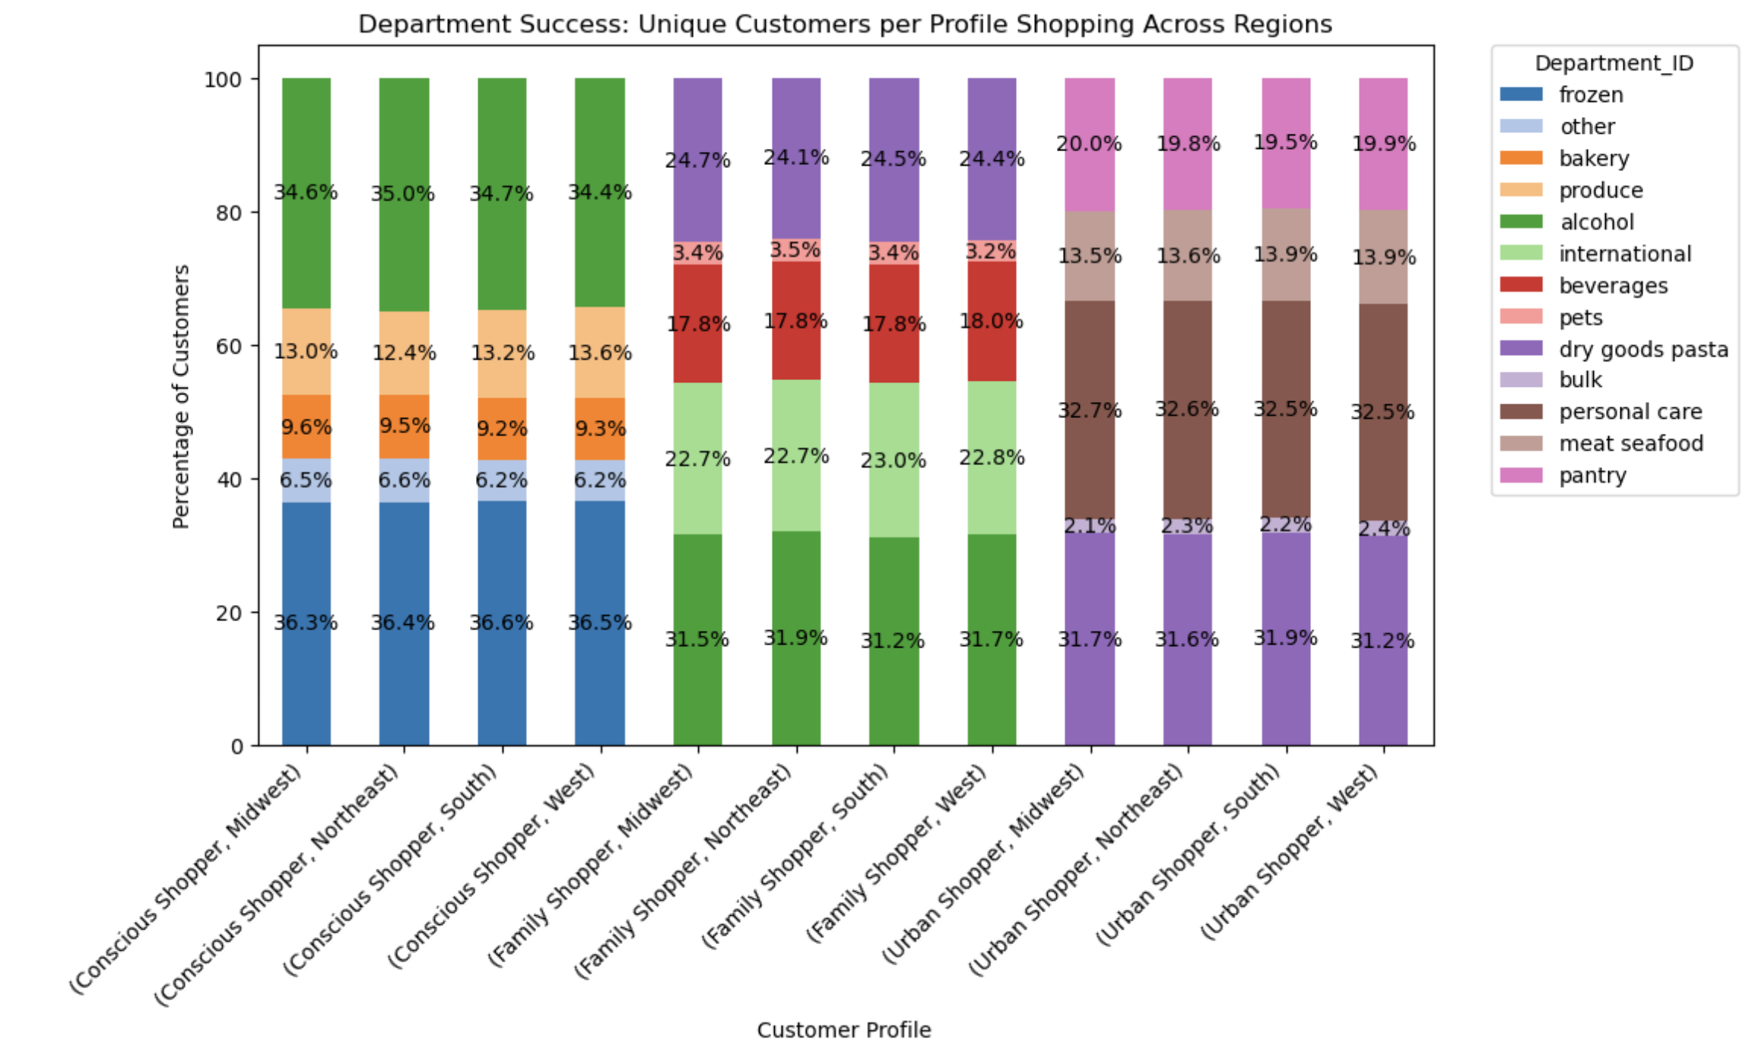
 |  | Title page

Visualisations

In this tab you should include all the visualtions from Exercises 4.9 and 4.10, alongside the questions from the project brief that they answer. Include any commentary on the relationship between different variables.

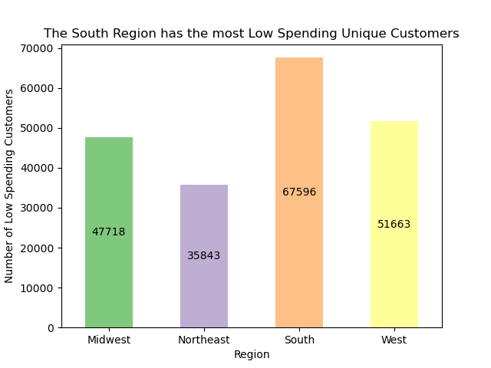
4.9
1 | 2 |  | 3
How do the sales progress througout the day? | How do the orders distribute among customers in terms of loyalty? |  | How does the spending behavior of customer change during the day?
The histogram reveals most orders occur between the times 10:00 and 17:00, tapering off into the evening. The left skew shape indicates that early morning orders are outliers, exceptionally orders are placed during the night. | Loyal customers tend to spend less on average, however they make more frequent purchases than regular customers. |  | Customers tend to spend more in the evening. Even though the highest expenditures are displayed to happen at night, the wide error band indicates uncertainty, warranting further investigation.
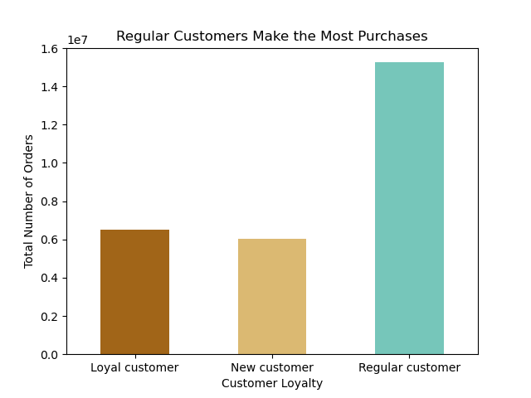
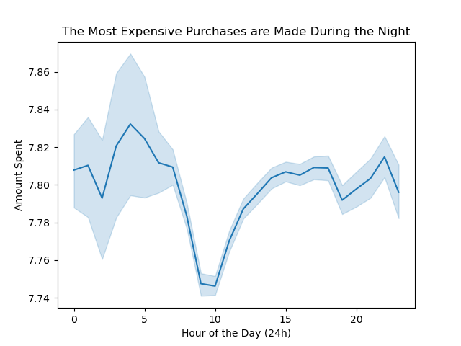
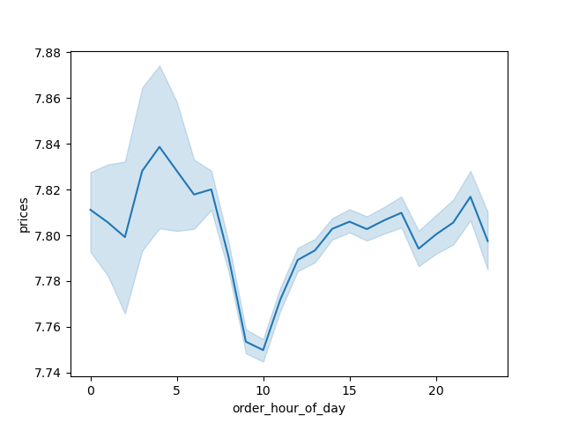

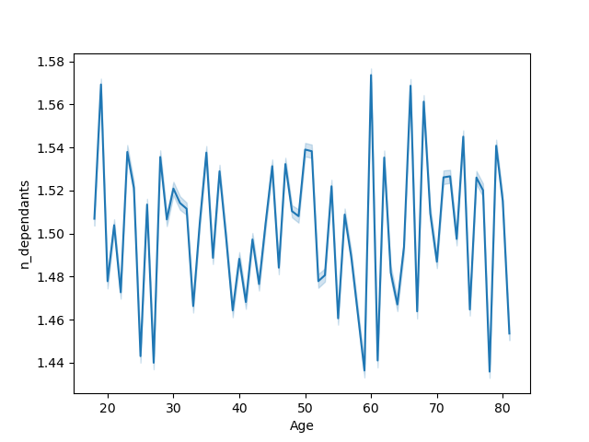

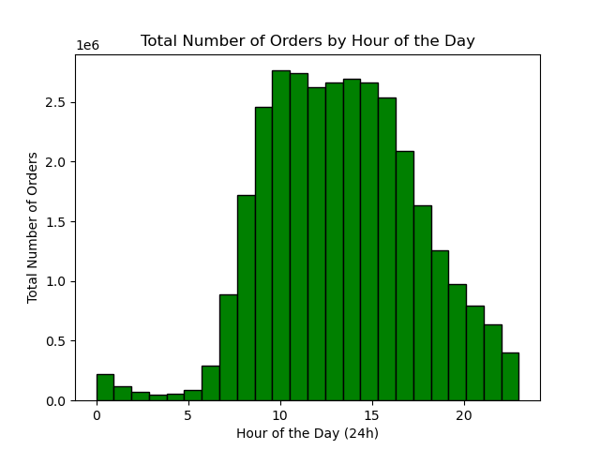

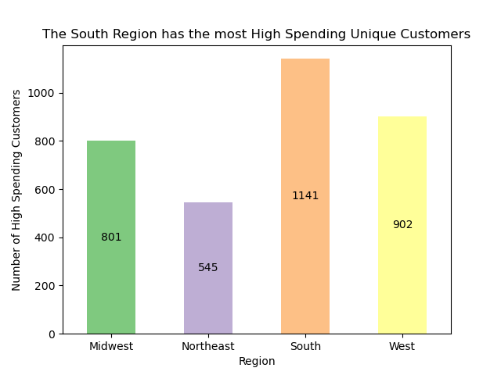

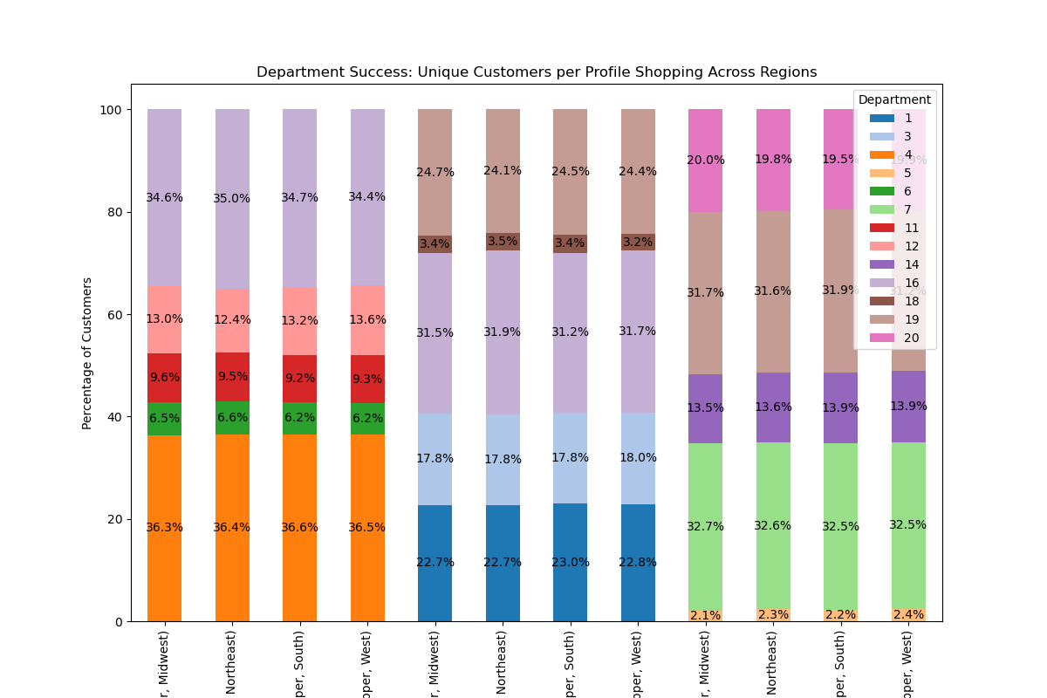

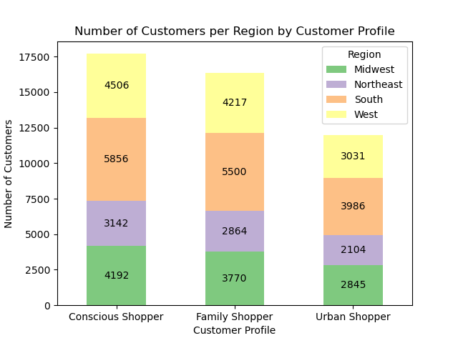
 |  |  | 4.10
4 | 5 |  | 1
Is there a relation between Age and Family Situation? | Is there a relation between Age and Spending Power (income)? |  | How does customer behavior differ per region?
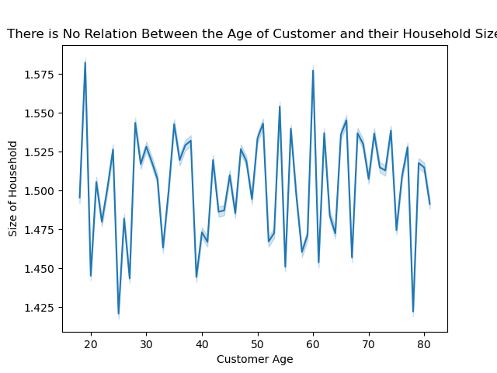
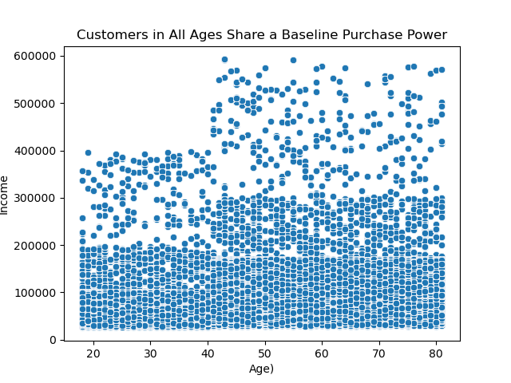
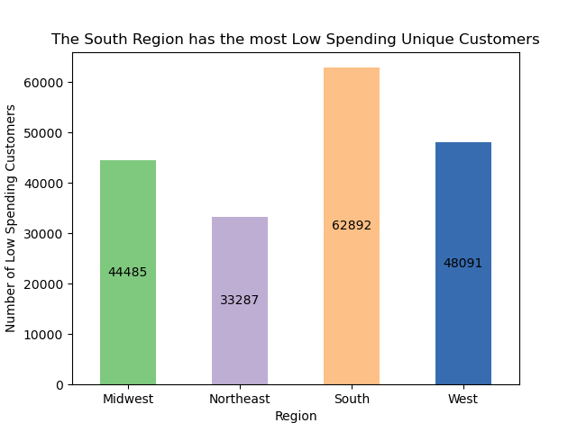
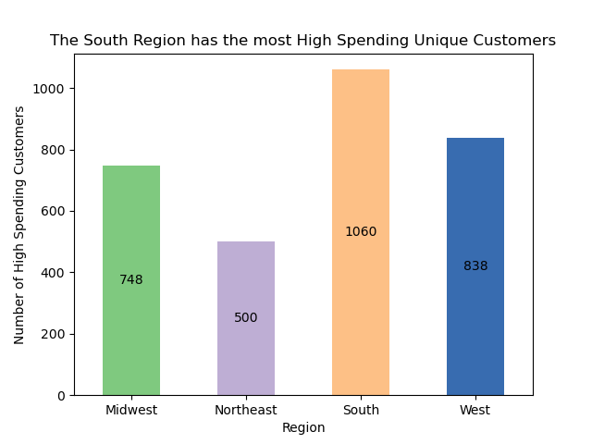
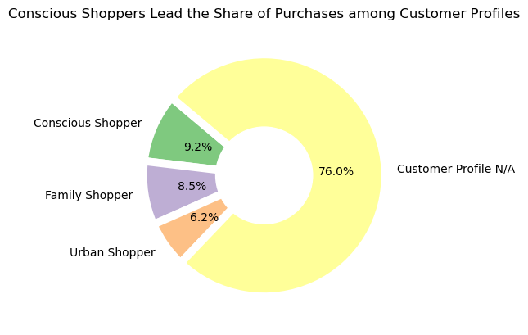
The line chart shows no relation between age and the number of dependant family members. | Despite its density, the scatterplot shows a clear correlation between age and income: for customers <40 years old, income is concentrated up to 200k with outliers between 200k - 400k. For those aged 40 years and older, income is dense up to 300k with a wider range of outliers extending to 600k. |  | The south region has the most low and high spending customers

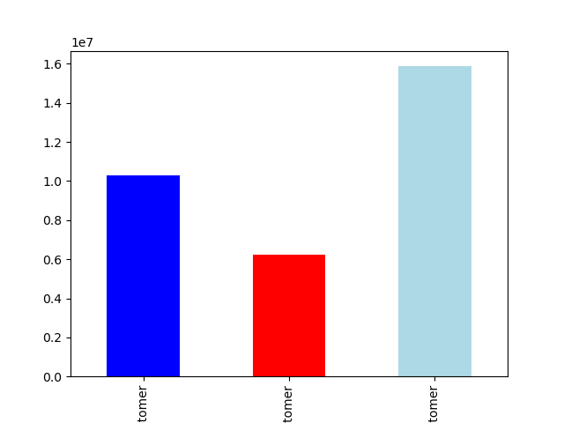
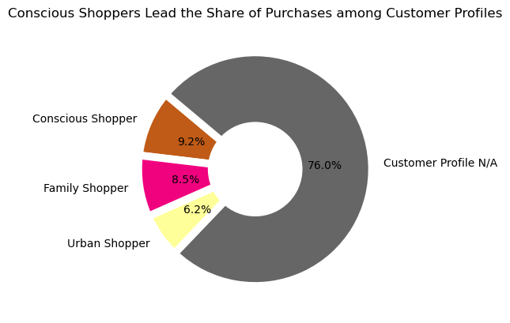
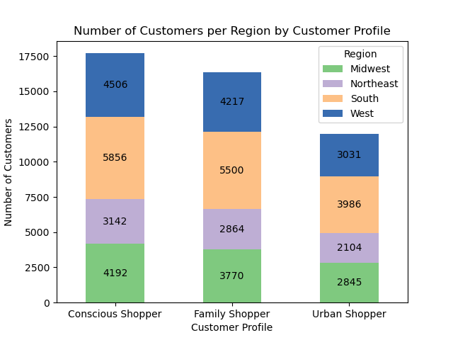
*EXTRA | 2 |  | 3
How much % do the customer profiles make up for? | Customer distribution by Region |  | Which data-driven customer profiles can we leverage to maximize the relevance and impact of our marketing strategies?
The Urban Shopper seems to be rather a niche audience, whereas the counscouis shopper and family shopper are a reasonable target audience with almost 10% representation | Customer profiles are similarly distributed across all regions. |  | Insight Department Shopping Behavior by Customer Profile per Region - Localization: The share of purchases per department are consistent across all regions per customer profile. - Communication: Customer profiles can be themed based on popular departments: Conscious = Fresh, Family = convenience, Urban = on to go - Targeting: Niche departments like 6 (International), 18 (Babies), and 5 (Alcohol) have the lowest purchase shares, despite being characteristic of their respective customer profiles.

7. Recommendations
 |  | Title page

Recommendations

In this tab you should include any recommendations you would made to Instcart in terms of their marketing strategy based on the questions posed in the brief. Every key question has been covered in the Tasks of the Exercises - here you need to add an item - a visualisation or table/crosstable that is showing the answer in the data, acompanied by a comment from you. Please, list the questions below and add the answer underneath.

Q | The sales team needs to know what the busiest days of the week and hours of the day are (i.e., the days and times with the most orders) in order to schedule ads at times when there are fewer orders.
A | The weekend, Saturday and Sunday, are the busiest days of the week, with the majority of orders happening between 10-15 o'clock.
 | However, Tuesday and Wednesday are the least budy days of the week, if ad scheduling is aimed for days with fewer orders.

Q | Ae particular times of the day when people spend the most money?
A | Customers tend to spend more in the evening. Even though the highest expenditures are displayed to happen at night, the wide error band indicates uncertainty, warranting further investigation.

Q | Instacart has a lot of products with different price tags. Marketing and sales want to use simpler price range groupings to help direct their efforts.
A | New grouping has been applied with a price classification: low, mid and high

Q | Are there certain types of products that are more popular than others? The marketing and sales teams want to know which departments have the highest frequency of product orders.
A | Not surprisingly, produce, dairy eggs and snacks are the top 3 departments with the total highest number of orders.

Q | The marketing and sales teams are particularly interested in the different types of customers in their system and how their ordering behaviors differ.
A | x Ordering habits among the 3 defined customer profiles are fairly similar across all 4 regions.
 | x There is no relationship between age and size of household.
 | x Insight Department Shopping Behavior by Customer Profile per Region
 | x Localization: The share of purchases per department are consistent across all regions per customer profile.
 | x Communication: Customer profiles can be themed based on popular departments: Conscious = Fresh, Family = convenience, Urban = on to go
 | x Targeting: Niche departments like 6 (International), 18 (Babies), and 5 (Alcohol) have the lowest purchase shares, despite being characteristic of their respective customer profiles.

EXTRA | Customer Profile Insights
 | x The Urban Shopper seems to be rather a niche audience, whereas the counscouis shopper and family shopper are a reasonable target audience with almost 10% representation
 | x The Urban Shopper has the highest minimum average spending.
 | x Customer profiles are similarly distributed across all regions, with no single profile dominating any region.

